3710 work30_30_30_all
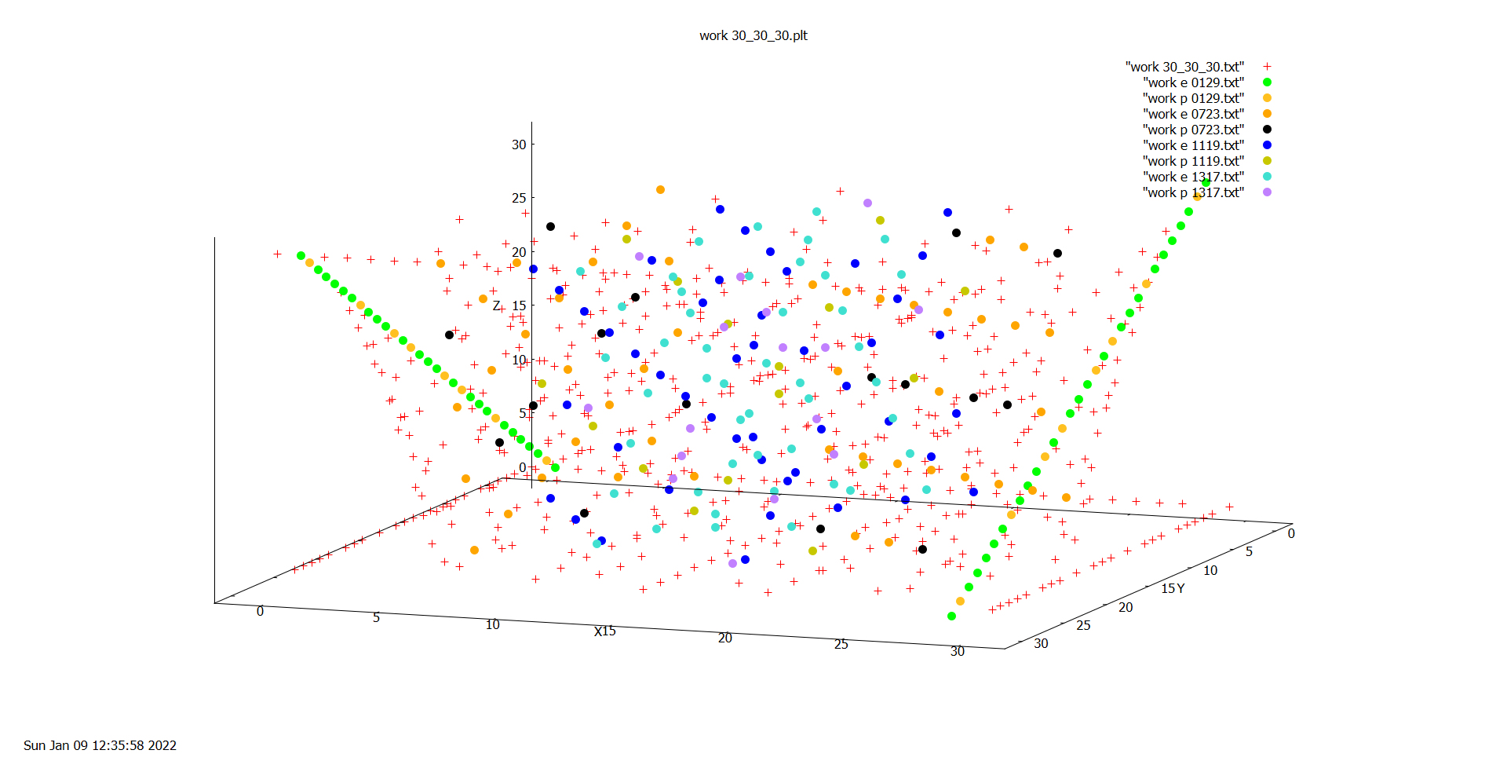

3711 work30_30_30_all fam
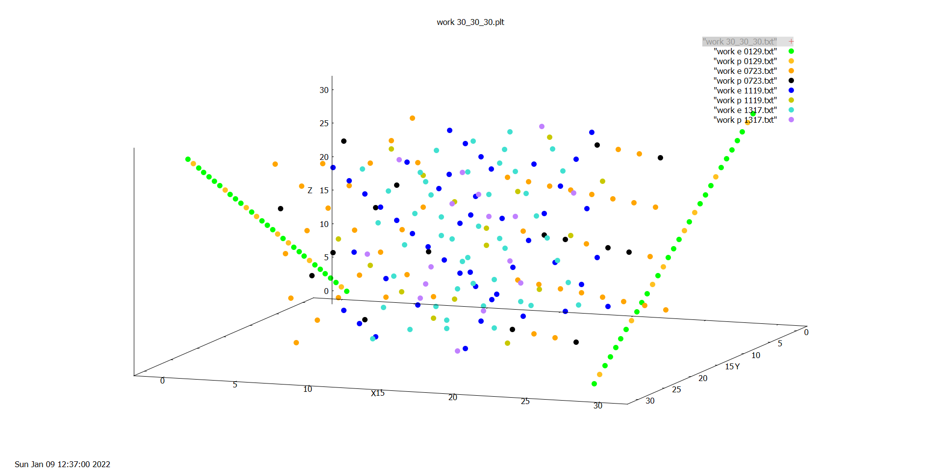

3712 work30_30_30_all fam e
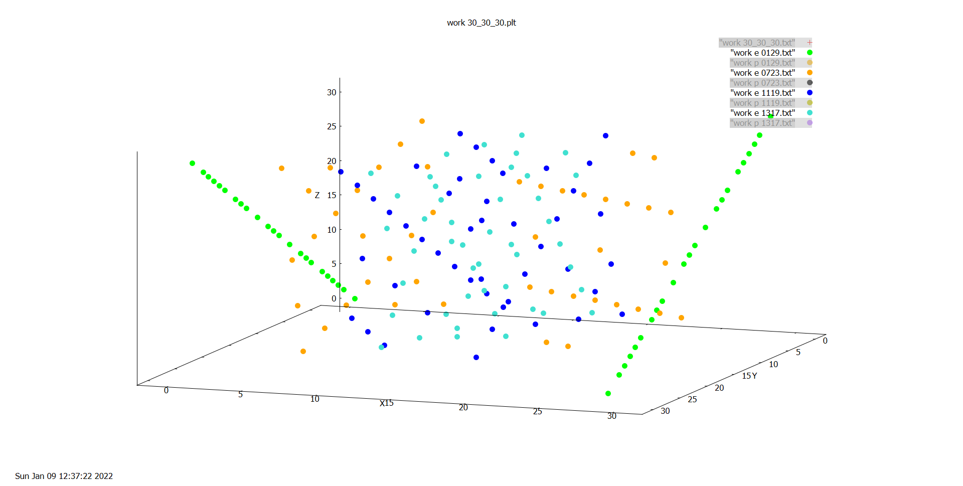

3713 work30_30_30_all fam p
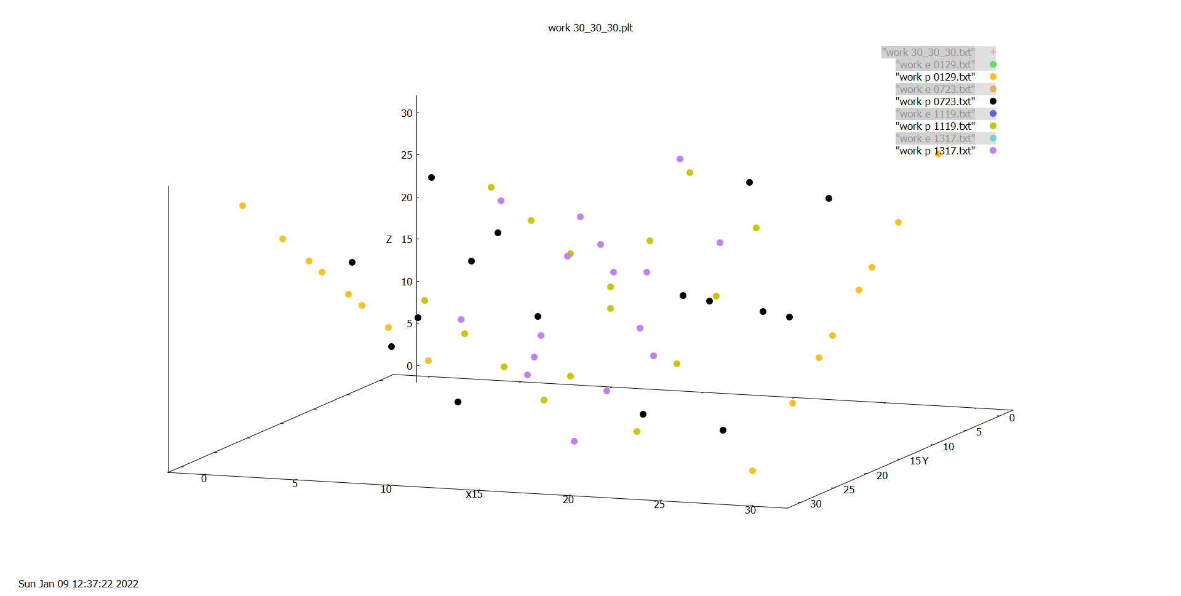

3714 work30_30_30 fam p 0129
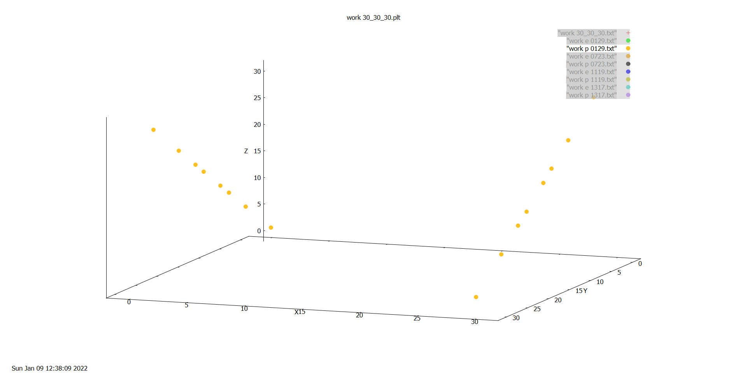

3715 work30_30_30 fam p 0723
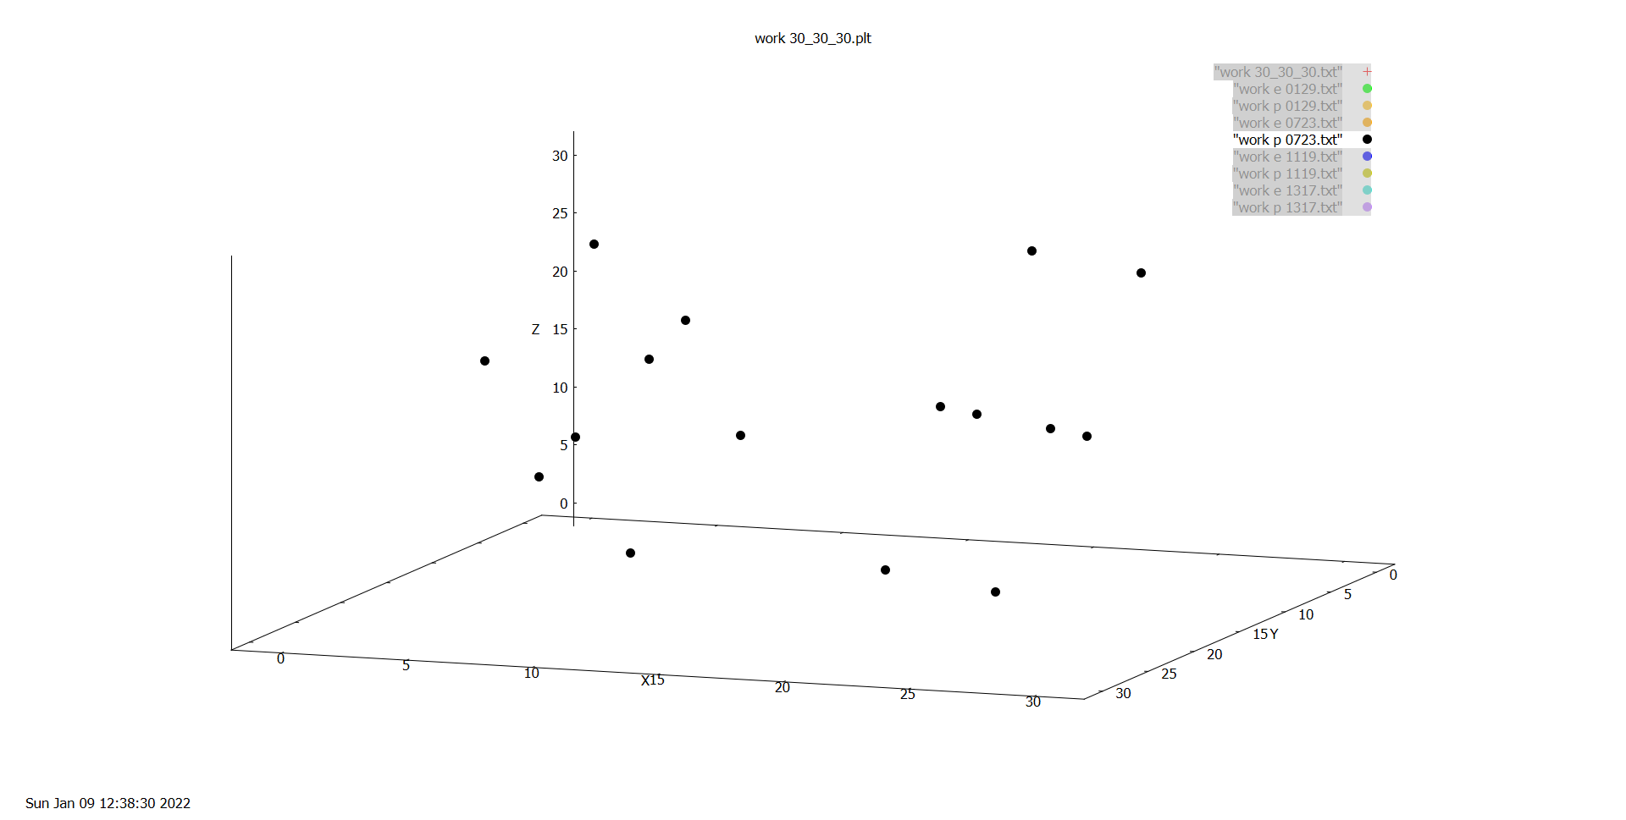

3716 work30_30_30 fam p 1119
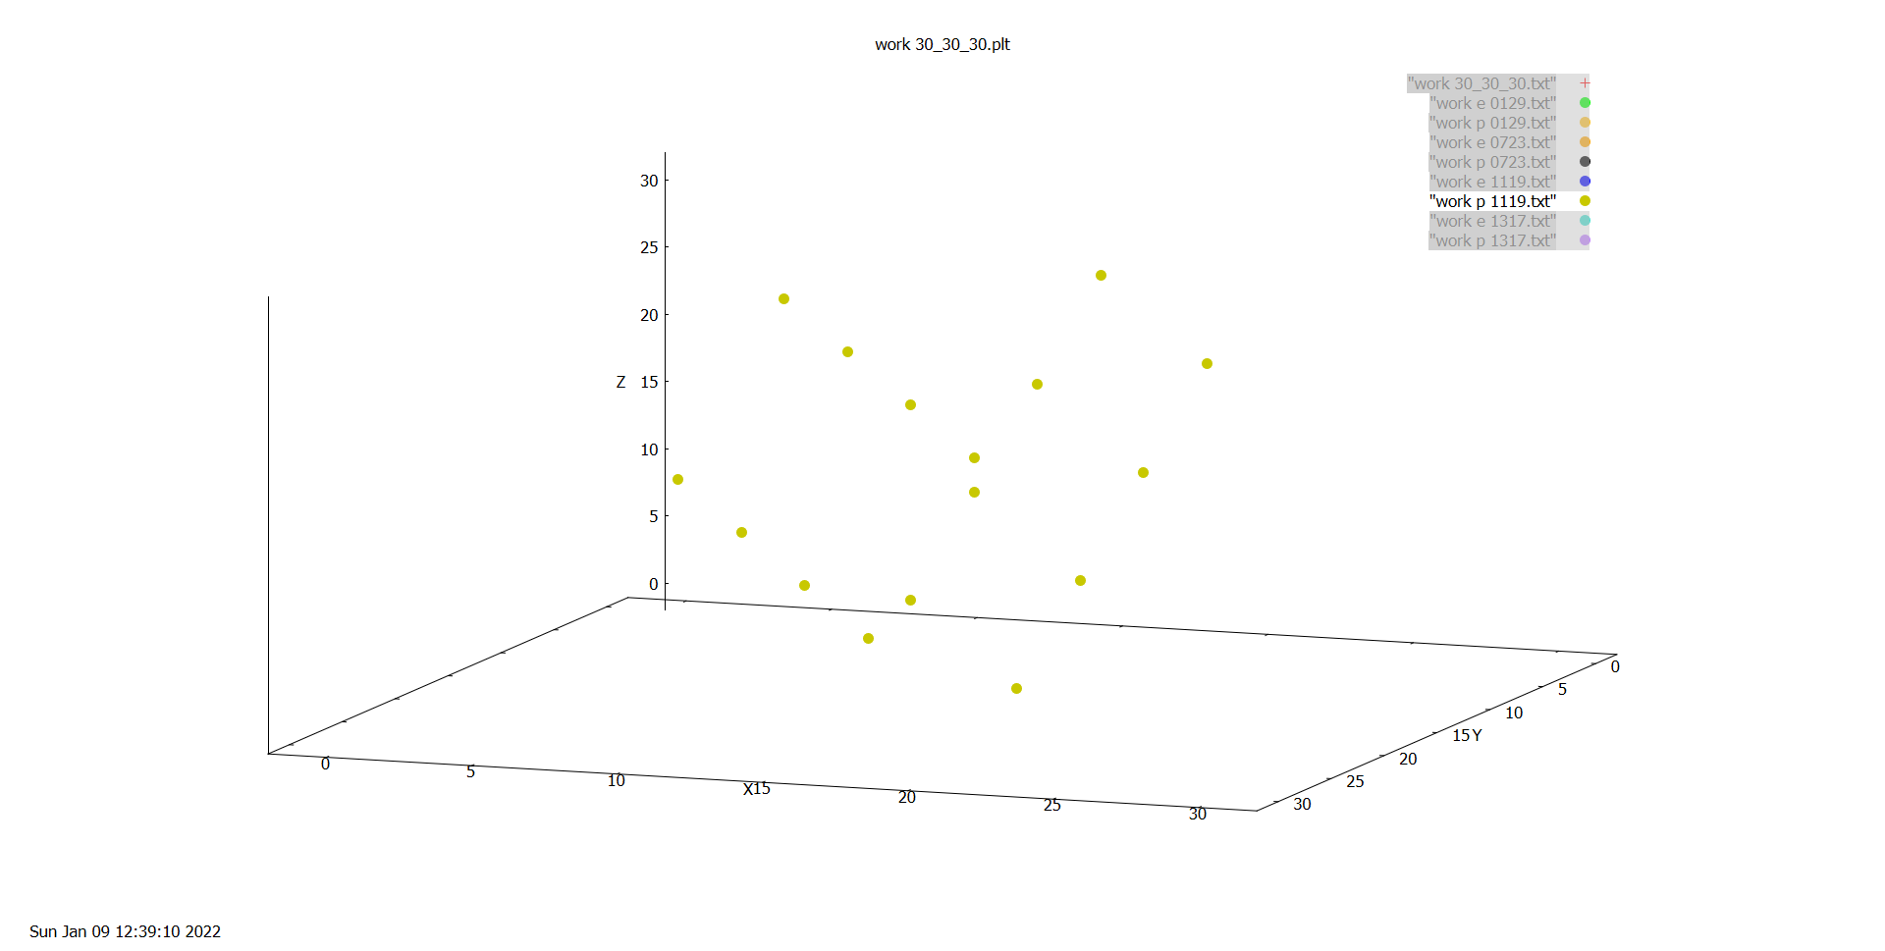

3717 work30_30_30 fam p 1317
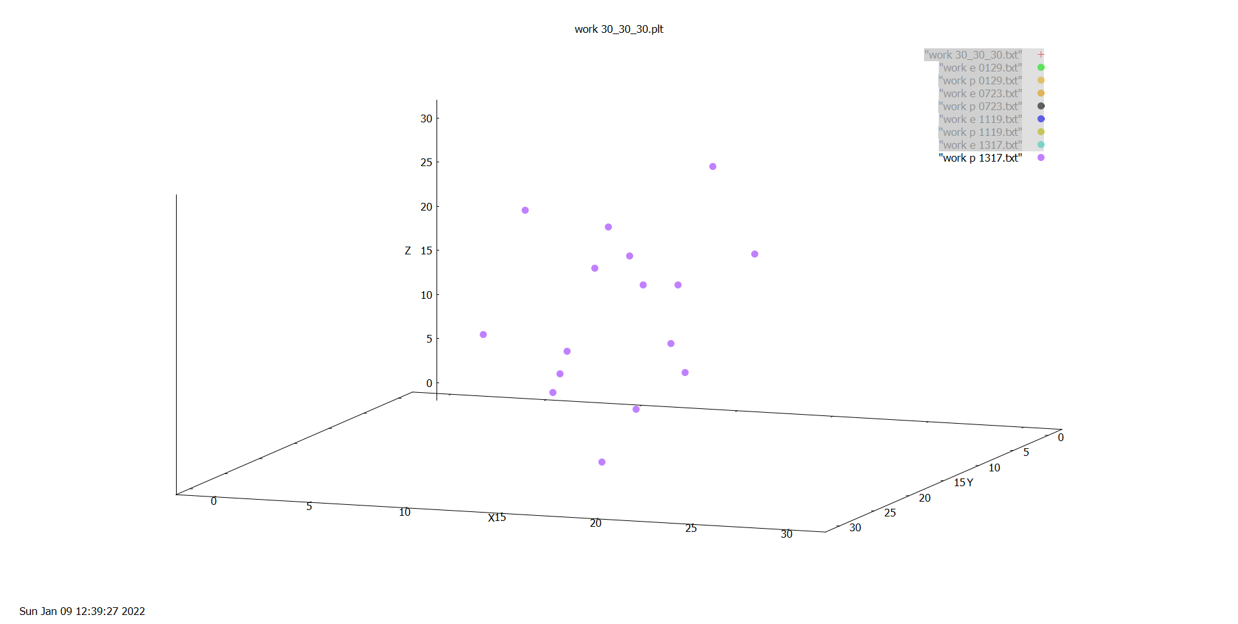

3718 work30_30_30 fam pe 0129
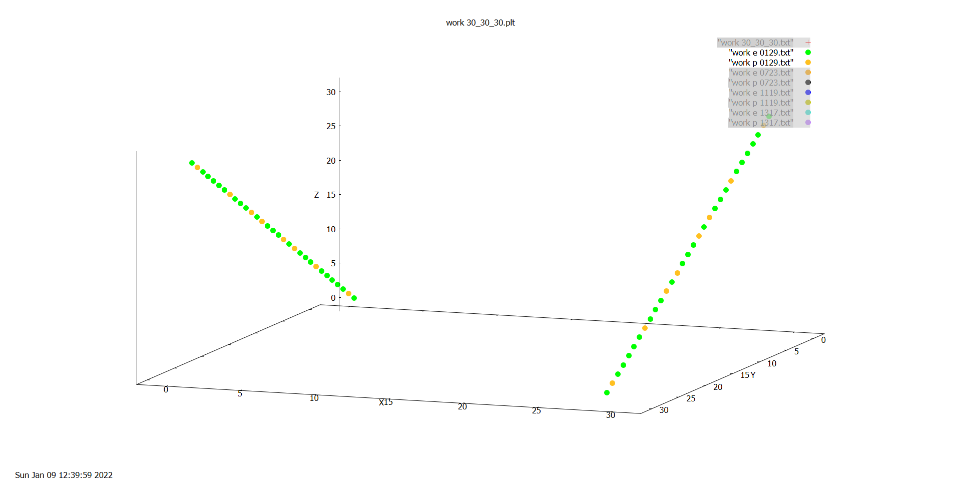

3719 work30_30_30 fam pe 0723
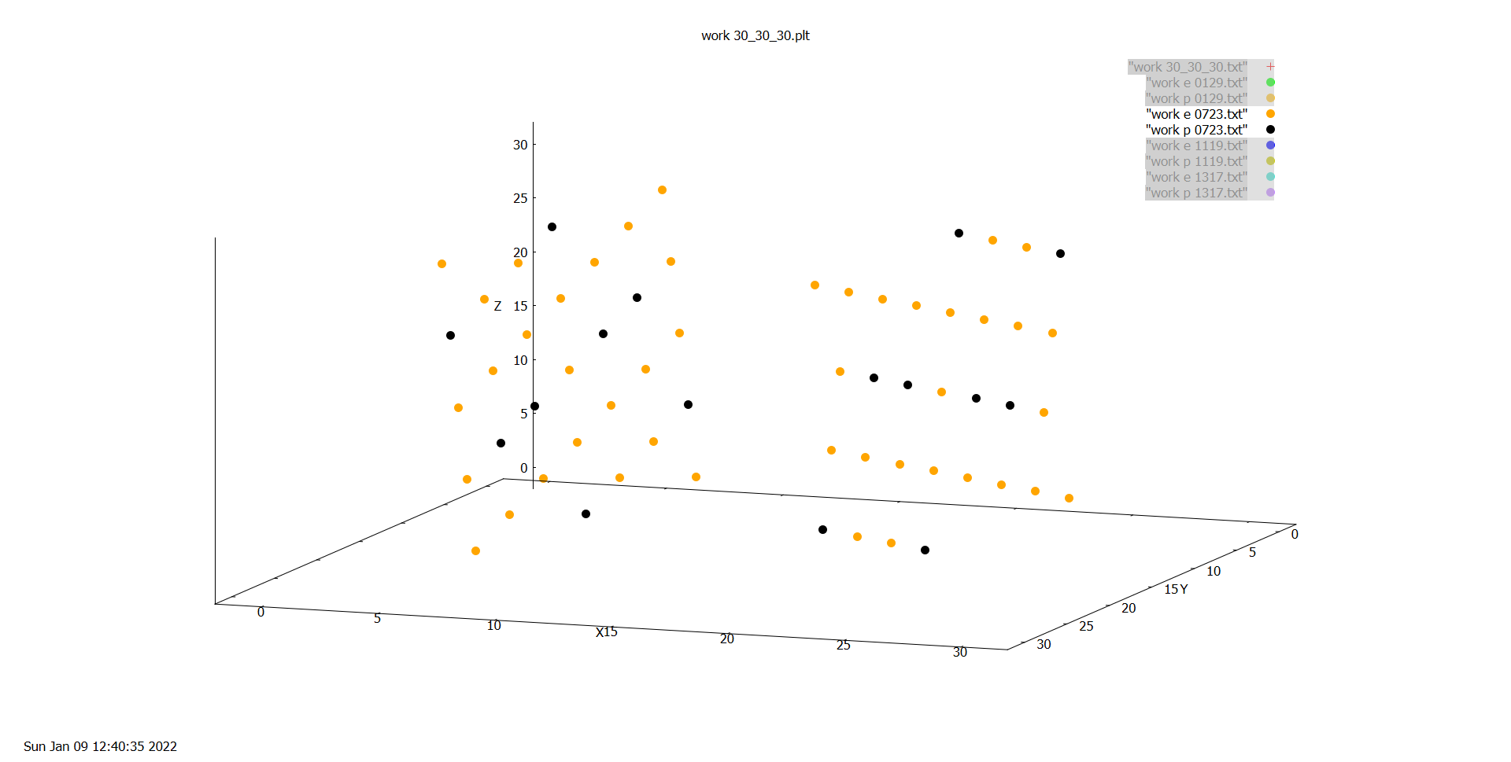

3720 work30_30_30 fam pe 1119
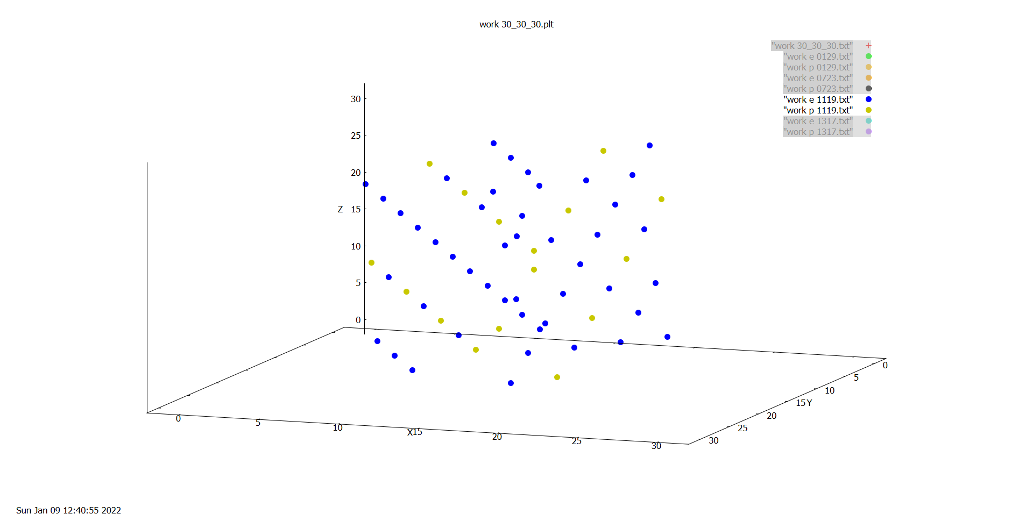

3721 work30_30_30 fam pe 1317
